Sheet1
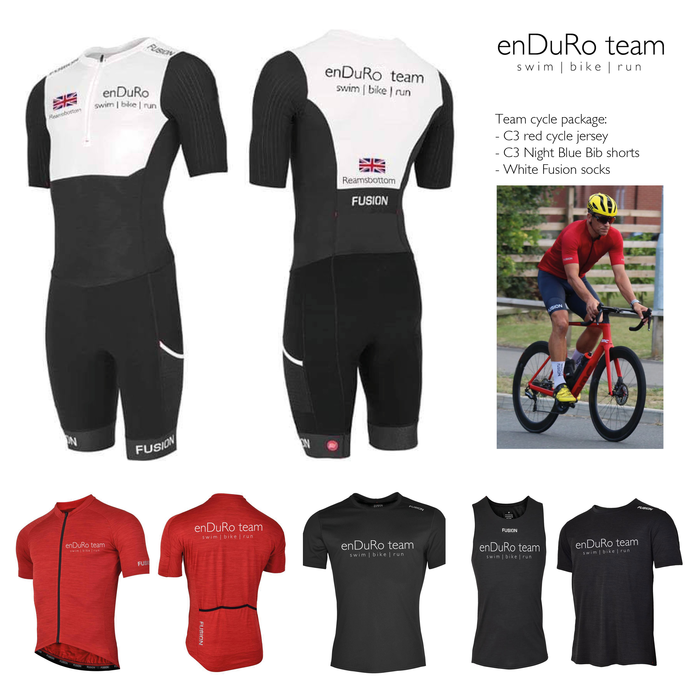
Name
Address
 |  |  |  | SLI Speed Suit Printing
 |  |  |  | Flag Required
 |  |  |  | Name on Back

Post Code
Email Address
Contact Number

Team Product Type | Colour | Sizes Available | Size Required | Retail Price | Enduro Team Kit Price | Quantity | Total
Fusion Sli Speed Suit | Black/White | XS-XXL |  | £245 | £165.00 |  | £0
Fusion C3 Red Cycle Jersey | Red | S-XXL |  | £70 | £52.50 |  | £0
Fusion C3 Bib Shorts | Night Blue | XS-XXL |  | £100 | £75.00 |  | £0
Fusion Socks | White | 38-40, 41-43, 44-46 |  | £17 | £12.00 |  | £0
Cycle Package | Top, Bib and Socks | S-XXL |  | £187 | £120.00 |  | £0
Fusion Mens C3 T-Shirt | Black | S-XXL |  | £40 | £30.00 |  | £0
Fusion C3 Run Vest | Black | S-XXL |  | £35 | £30.00 |  | £0
Fusion Womens C3 T-Shirt | Black | XS-XL |  | £40 | £30.00 |  | £0
Fusion Womens C3 Run Vest | Black | XS-XL |  | £30 | £30.00 |  | £0
 |  |  |  |  |  | DPD Postage | £5

 |  |  |  |  |  | Total | £5

Process
1) Please complete your order form (if ordering cycle package, list Jersey, bib, socks sizes in that order in column D)
2) Please email to Jamie@multisportdistribution.co.uk
3) Kit order will be processed
4) Once kit in stock and printed, you will be emailed an invoice for payment (bank details are on the invoice)
5) Once payment received goods will be despatched DPD Next Day with full tracking
6) Please remember you have a 25% discount across all Multisportdistribution.co.uk products via code ENDURO25

